Sheet1
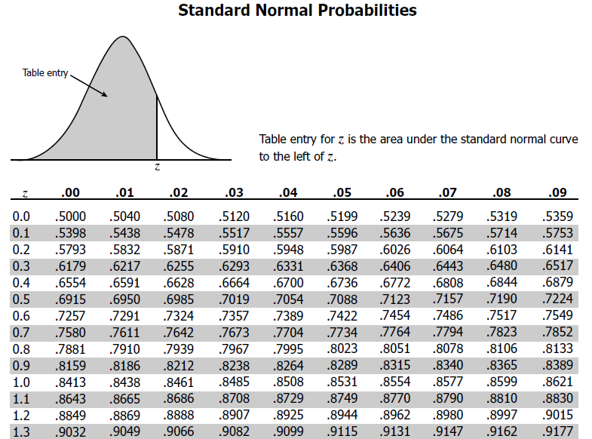
1. The time required for servicing transmissions is normally distributed with  = 45 minutes and  = 8 minutes. The service manager plans to have work begin on the transmission of a customer’s car 10 minutes after the car is dropped off and the customer is told that the car will be ready within 1 hour from drop-off. What is the probability that the service manager cannot meet his commitment? A. 0.3875 B. 0.2676 C. 0.5 D. 0.6987

a. actual time taken (x)=60-10=50mins
b. mean time to washing off car(u)=45mins
c. std_deviation= 8mins
zscore (Z-score indicates how much a given value differs from the standard deviation)
z=(x-u)/std

z=(50-45)/8
0.625
using z-score table for normal distribution table, z=0.6 with.02 at .7324 means 73.4 % of chance that service manager will deliver at his promising time of 1hour*

PROBABILITY THAT SERVICE MANAGER WILL NOT DELIVER IN HIS PROMISING TIME= 100-73.4 =26.6% (B)

